Sheet1
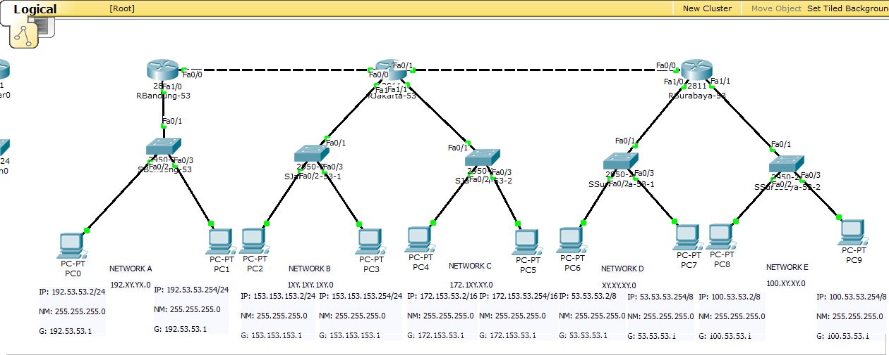
Diketahui |  | Format | Fomat Kita | Kelas IP | NID | Alamat Network | First IP | Last IP | Broadcast | Prefix | NM | Gateway
NETWORK A | A | 192.XY.XY.0 | 192.53.53.0 | Kelas C | 3 | 192.53.53.0 | 192.53.53.0 | 192.53.53.254 | 192.53.53.255 | '/24 | 255.255.255.0 | 192.53.53.1
NETWORK A | B | 1XY.1XY.1XY.0 | 153.153.153.0 | Kelas C | 3 | 153.153.153.0 | 153.153.153.0 | 153.153.153.254 | 153.153.153.255 | '/24 | 255.255.255.0 | 153.153.153.1
NETWORK A | C | 172.1XY.XY.0 | 172.153.53.0 | Kelas B | 2 | 172.153.53.0 | 172.153.53.0 | 172.153.53.254 | 172.153.53.255 | '/16 | 255.255.255.0 | 172.153.53.1
NETWORK A | D | XY.XY.XY.0 | 53.53.53.0 | Kelas A | 1 | 53.53.53.0 | 53.53.53.0 | 53.53.53.254 | 53.53.53.255 | '/8 | 255.255.255.0 | 53.53.53.1
NETWORK A | E | 100.XY.XY.0 | 100.53.53.0 | Kelas A | 1 | 100.53.53.0 | 100.53.53.0 | 100.53.53.254 | 100.53.53.255 | '/8 | 255.255.255.0 | 100.53.53.1
NETWORK A | F | 192.168.XY.0 | 192.168.53.0 | Kelas C | 3 | 192.168.53.0 | 192.168.53.0 | 192.168.53.254 | 192.168.53.255 | '/24 | 255.255.255.0 | 192.168.53.1
NETWORK A | G | 192.168.1XY.0 | 192.168.153.0 | Kelas C | 3 | 192.168.153.0 | 192.168.153.0 | 192.168.153.254 | 192.168.153.255 | '/24 | 255.255.255.0 | 192.168.153.1

